Sheet1
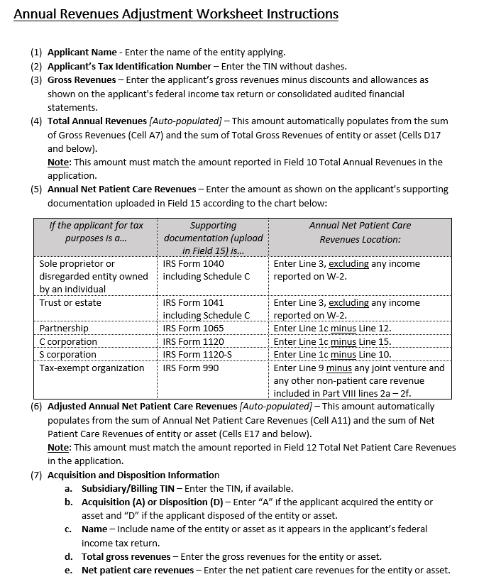
Annual Revenues Adjustment Worksheet (Updated 10-20-2021)
(1) Applicant Name: |  |  |  |  | www.hrsa.gov/provider-relief/future-payments/revenues-adjustment-worksheet-instructions | A
 |  |  |  |  |  | D
(2) Applicant's Taxpayer identification number (TIN):

(3) Gross Revenues:
$0
(4) Total Annual Revenues (i.e., Gross Revenues (Cell A7) + the sum of Total Gross Revenues (Cells D17 and below)):
$0
(5) Annual Net Patient Care Revenues:

(6) Adjusted Annual Revenues from Patient Care (i.e., Annual Net Patient Care Revenues (Cell A11) + the sum of Net Patient Care Revenues (Cells E17 and below)):
$0
(7) Acquisition and Disposition Information
(a) Subsidiary/ Billing TIN | (b) Acquisition (A) or Disposition (D) | (c) Name | (d) Total gross revenues | (e) Net patient care revenues
123456789 | A | Sample City Hospital, LLC | $50,000,000 | $50,000,000

